Daily Power Station Chart_14-01
Plant_30/01/2025Chart

Plant:odco1 |  |  | Installed Capacity:111.180kWp
Today Yield(kWh):441.500kWh |  | Today Earning:176600.000TND |  | Today Full Load Hours(h):3.97h

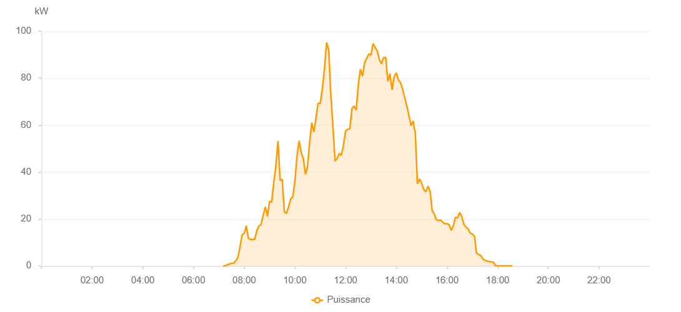

Number | Time | Working State | PV(W) | Instantaneous Radiation(W/㎡)
1 | 07:10:00 | Online | 20.00000 | 0
2 | 07:15:00 | Online | 80.00000 | 0
3 | 07:20:00 | Online | 470.00000 | 0
4 | 07:25:00 | Online | 850.00000 | 3.00000
5 | 07:30:00 | Online | 1110.00000 | 8.00000
6 | 07:35:00 | Online | 1150.00000 | 9.00000
7 | 07:40:00 | Online | 2210.00000 | 9.00000
8 | 07:45:00 | Online | 3540.00000 | 18.00000
9 | 07:50:00 | Online | 8130.00000 | 42.00000
10 | 07:55:00 | Online | 13280.00000 | 134.00000
11 | 08:00:00 | Online | 13880.00000 | 134.00000
12 | 08:05:00 | Online | 17150.00000 | 121.00000
13 | 08:10:00 | Online | 11770.00000 | 194.00000
14 | 08:15:00 | Online | 11270.00000 | 90.00000
15 | 08:20:00 | Online | 11350.00000 | 81.00000
16 | 08:25:00 | Online | 11320.00000 | 81.00000
17 | 08:30:00 | Online | 15110.00000 | 108.00000
18 | 08:35:00 | Online | 17080.00000 | 144.00000
19 | 08:40:00 | Online | 17590.00000 | 162.00000
20 | 08:45:00 | Online | 21610.00000 | 175.00000
21 | 08:50:00 | Online | 25170.00000 | 201.00000
22 | 08:55:00 | Online | 21060.00000 | 249.00000
23 | 09:00:00 | Online | 27500.00000 | 192.00000
24 | 09:05:00 | Online | 27130.00000 | 283.00000
25 | 09:10:00 | Online | 35480.00000 | 299.00000
26 | 09:15:00 | Online | 42720.00000 | 313.00000
27 | 09:20:00 | Online | 53220.00000 | 414.00000
28 | 09:25:00 | Online | 36400.00000 | 452.00000
29 | 09:30:00 | Online | 36950.00000 | 190.00000
30 | 09:35:00 | Online | 23060.00000 | 199.00000
31 | 09:40:00 | Online | 22380.00000 | 194.00000
32 | 09:45:00 | Online | 25160.00000 | 187.00000
33 | 09:50:00 | Online | 28510.00000 | 232.00000
34 | 09:55:00 | Online | 29450.00000 | 235.00000
35 | 10:00:00 | Online | 35990.00000 | 256.00000
36 | 10:05:00 | Online | 46730.00000 | 351.00000
37 | 10:10:00 | Online | 53290.00000 | 544.00000
38 | 10:15:00 | Online | 48290.00000 | 649.00000
39 | 10:20:00 | Online | 45640.00000 | 525.00000
40 | 10:25:00 | Online | 39050.00000 | 423.00000
41 | 10:30:00 | Online | 42600.00000 | 309.00000
42 | 10:35:00 | Online | 52900.00000 | 378.00000
43 | 10:40:00 | Online | 61040.00000 | 462.00000
44 | 10:45:00 | Online | 57090.00000 | 548.00000
45 | 10:50:00 | Online | 63340.00000 | 500.00000
46 | 10:55:00 | Online | 69270.00000 | 563.00000
47 | 11:00:00 | Online | 69210.00000 | 662.00000
48 | 11:05:00 | Online | 75550.00000 | 687.00000
49 | 11:10:00 | Online | 83930.00000 | 790.00000
50 | 11:15:00 | Online | 95170.00000 | 769.00000
51 | 11:20:00 | Online | 92140.00000 | 840.00000
52 | 11:25:00 | Online | 73190.00000 | 709.00000
53 | 11:30:00 | Online | 59480.00000 | 698.00000
54 | 11:35:00 | Online | 44670.00000 | 463.00000
55 | 11:40:00 | Online | 45770.00000 | 374.00000
56 | 11:45:00 | Online | 47910.00000 | 416.00000
57 | 11:50:00 | Online | 47200.00000 | 403.00000
58 | 11:55:00 | Online | 51360.00000 | 418.00000
59 | 12:00:00 | Online | 57490.00000 | 486.00000
60 | 12:05:00 | Online | 58240.00000 | 487.00000
61 | 12:10:00 | Online | 58400.00000 | 486.00000
62 | 12:15:00 | Online | 67040.00000 | 514.00000
63 | 12:20:00 | Online | 68080.00000 | 661.00000
64 | 12:25:00 | Online | 66390.00000 | 679.00000
65 | 12:30:00 | Online | 76980.00000 | 691.00000
66 | 12:35:00 | Online | 83860.00000 | 636.00000
67 | 12:40:00 | Online | 80870.00000 | 764.00000
68 | 12:45:00 | Online | 86660.00000 | 702.00000
69 | 12:50:00 | Online | 88360.00000 | 897.00000
70 | 12:55:00 | Online | 90340.00000 | 855.00000
71 | 13:00:00 | Online | 89790.00000 | 914.00000
72 | 13:05:00 | Online | 94760.00000 | 903.00000
73 | 13:10:00 | Online | 93140.00000 | 882.00000
74 | 13:15:00 | Online | 91540.00000 | 840.00000
75 | 13:20:00 | Online | 87830.00000 | 816.00000
76 | 13:25:00 | Online | 86120.00000 | 834.00000
77 | 13:30:00 | Online | 88790.00000 | 711.00000
78 | 13:35:00 | Online | 88850.00000 | 795.00000
79 | 13:40:00 | Online | 78620.00000 | 743.00000
80 | 13:45:00 | Online | 81820.00000 | 764.00000
81 | 13:50:00 | Online | 75090.00000 | 811.00000
82 | 13:55:00 | Online | 80560.00000 | 679.00000
83 | 14:00:00 | Online | 82240.00000 | 785.00000
84 | 14:05:00 | Online | 79210.00000 | 770.00000
85 | 14:10:00 | Online | 78180.00000 | 753.00000
86 | 14:15:00 | Online | 75240.00000 | 744.00000
87 | 14:20:00 | Online | 71680.00000 | 718.00000
88 | 14:25:00 | Online | 68100.00000 | 702.00000
89 | 14:30:00 | Online | 64000.00000 | 605.00000
90 | 14:35:00 | Online | 59760.00000 | 501.00000
91 | 14:40:00 | Online | 61730.00000 | 416.00000
92 | 14:45:00 | Online | 56580.00000 | 476.00000
93 | 14:50:00 | Online | 34970.00000 | 378.00000
94 | 14:55:00 | Online | 37070.00000 | 279.00000
95 | 15:00:00 | Online | 35330.00000 | 311.00000
96 | 15:05:00 | Online | 32650.00000 | 285.00000
97 | 15:10:00 | Online | 31580.00000 | 218.00000
98 | 15:15:00 | Online | 34040.00000 | 196.00000
99 | 15:20:00 | Online | 31780.00000 | 344.00000
100 | 15:25:00 | Online | 23520.00000 | 292.00000
101 | 15:30:00 | Online | 22070.00000 | 222.00000
102 | 15:35:00 | Online | 19660.00000 | 208.00000
103 | 15:40:00 | Online | 19400.00000 | 167.00000
104 | 15:45:00 | Online | 19550.00000 | 159.00000
105 | 15:50:00 | Online | 18620.00000 | 155.00000
106 | 15:55:00 | Online | 17970.00000 | 157.00000
107 | 16:00:00 | Online | 18040.00000 | 147.00000
108 | 16:05:00 | Online | 17610.00000 | 150.00000
109 | 16:10:00 | Online | 15160.00000 | 138.00000
110 | 16:15:00 | Online | 17030.00000 | 132.00000
111 | 16:20:00 | Online | 20780.00000 | 170.00000
112 | 16:25:00 | Online | 20480.00000 | 154.00000
113 | 16:30:00 | Online | 22780.00000 | 141.00000
114 | 16:35:00 | Online | 21130.00000 | 140.00000
115 | 16:40:00 | Online | 17750.00000 | 125.00000
116 | 16:45:00 | Online | 16570.00000 | 113.00000
117 | 16:50:00 | Online | 15810.00000 | 94.00000
118 | 16:55:00 | Online | 14040.00000 | 83.00000
119 | 17:00:00 | Online | 13570.00000 | 66.00000
120 | 17:05:00 | Online | 12640.00000 | 55.00000
121 | 17:10:00 | Online | 5510.00000 | 42.00000
122 | 17:15:00 | Online | 4840.00000 | 40.00000
123 | 17:20:00 | Online | 4500.00000 | 38.00000
124 | 17:25:00 | Online | 3000.00000 | 32.00000
125 | 17:30:00 | Online | 2440.00000 | 25.00000
126 | 17:35:00 | Online | 2040.00000 | 13.00000
127 | 17:40:00 | Online | 1840.00000 | 8.00000
128 | 17:45:00 | Online | 1710.00000 | 4.00000
129 | 17:50:00 | Online | 1590.00000 | 1.00000
130 | 17:55:00 | Online | 90.00000 | 0
131 | 18:00:00 | Online | 40.00000 | 0
132 | 18:05:00 | Online | 40.00000 | 0
133 | 18:10:00 | Online | 40.00000 | 0
134 | 18:15:00 | Online | 40.00000 | 0
135 | 18:20:00 | Online | 40.00000 | 0
136 | 18:25:00 | Online | 40.00000 | 0
137 | 18:30:00 | Online | 40.00000 | 0
138 | 18:35:00 | Online | 40.00000 | 0
139 | 19:00:00 | Online | 0.00001 | 0.00001

